DS Inspection
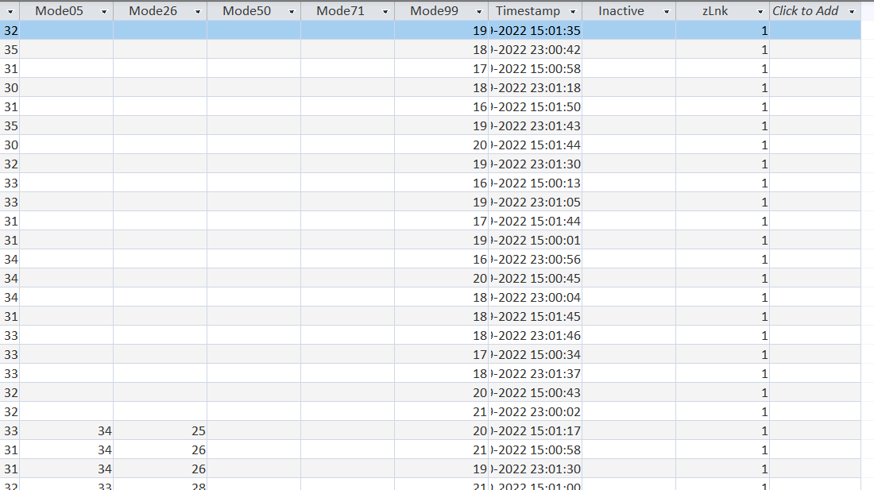
Tests and Issues |  |  | Source: | 46-CS1-SetA-GJ |  | Done by: | Siddhesh
ReadMeFirst

 | Types of tests for Anomalies:- 1) tables with no records 2) Columns with no entries, that are entirely blank 3) Columns with some rows that have blank cells 4) Columns that have both positive and negative numbers |  |  |  |  | Person | Team 1 | Roles Alloted | Foreign Key Assigned | Agent Type
 |  |  |  |  |  | Person 1 | Siva | OrdCall-VAN + Terms | Customers | Tech
 |  |  |  |  |  | Person 2 | Viren | SprtCall-VAN + Prov States | OrdCall-VAN, AreaCodes | Expert
 |  |  |  |  |  | Person 3 | Siddhesh | Other 4 tables + Customer | SprtCall-VAN, Countries | CSR

 | ID | Table(s) Involved | Data Test Name | Data Test Type | Data Test Description | Issue Name | Issue Description | Sample Size | Found Date | Found Time | Found By | Priority of Issue to be Fixed | Method to Fix | Reason to Fix Data | Result | Done Date | Done Time
 | 1 | Area Code | Tables with no record | No Record |  | Have Records |  |  | 2024-02-18 | 9:00:00
 | 2 | Area Code | Columns with no entries, that are entirely blank | No entries/ Blanks Columns |  | Column- Inactive, Zlink |  |  | 2024-02-18 | 9:10:00
 | 3 | Area Code | Columns with some rows that have blank cells | Columns with Rows Blank |  | No Blank rows |  |  | 2024-02-18 | 9:20:00
 | 4 | Area Code | Columns that have both positive and negative numbers | Having positive and negative numbers |  | No Negative Values |  |  | 2024-02-18 | 9:30:00
 | 5 | Other Data | Tables with no record | No Record |  | Have Records |  |  | 2024-02-18 | 9:40:00
 | 6 | Other Data | Columns with no entries, that are entirely blank | No entries/ Blanks Columns |  | Column- CountUnitsIrnPackages, Inactive, Time Stamp, Zlink |  |  | 2024-02-18 | 9:50:00
 | 7 | Other Data | Columns with some rows that have blank cells | Columns with Rows Blank |  | No Blank rows in remaining columns |  |  | 2024-02-18 | 10:00:00
 | 8 | Other Data | Columns that have both positive and negative numbers | Having positive and negative numbers |  | No Negative Values |  |  | 2024-02-18 | 10:10:00
 | 9 | Places | Tables with no record | No Record |  | Have Records |  |  | 2024-02-18 | 10:20:00
 | 10 | Places | Columns with no entries, that are entirely blank | No entries/ Blanks Columns |  | Column- CountryID, Inactive, Time Stamp, Zlink |  |  | 2024-02-18 | 10:30:00
 | 11 | Places | Columns with some rows that have blank cells | Columns with Rows Blank |  | No Blank rows in remaining columns |  |  | 2024-02-18 | 10:40:00
 | 12 | Places | Columns that have both positive and negative numbers | Having positive and negative numbers |  | No Negative Values |  |  | 2024-02-18 | 10:50:00
 | 13 | Greeters DM | Tables with no record | No Record |  | Have Records |  |  | 2024-02-18 | 11:00:00
 | 14 | Greeters DM | Columns with no entries, that are entirely blank | No entries/ Blanks Columns |  | Column- Inactive, Time Stamp, Zlink |  |  | 2024-02-18 | 11:10:00
 | 15 | Greeters DM | Columns with some rows that have blank cells | Columns with Rows Blank |  | Some Blank rows in Column- Mode05, Mode26, Mode50, Mode71 |  |  | 2024-02-18 | 11:20:00
 | 16 | Greeters DM | Columns that have both positive and negative numbers | Having positive and negative numbers |  | No Negative Values |  |  | 2024-02-18 | 11:30:00
 | 17 | Customer | Tables with no record | No Record |  | Have Records |  |  | 2024-02-18 | 11:40:00
 | 18 | Customer | Columns with no entries, that are entirely blank | No entries/ Blanks Columns |  | Column- Inactive, Time Stamp, Zlink |  |  | 2024-02-18 | 11:50:00
 | 19 | Customer | Columns with some rows that have blank cells | Columns with Rows Blank |  | Some Blank rows in Column- AreaCodeID, PhoneNumber, TermsID |  |  | 2024-02-18 | 12:00:00
 | 20 | Customer | Columns that have both positive and negative numbers | Having positive and negative numbers |  | No Negative Values |  |  | 2024-02-18 | 12:10:00
 | 21 | Customer | PlaceID, ProvStateID, CountryID, AreaCodeID, TermsID | Foreign Key | Inspection of foreign keys | Vlookup implementaion |  |  | 2024-02-18 | 12:20:00
 | 22 | Places | ProvStatName, CountryID, CountryNames | Foreign Key | Inspection of foreign keys | Vlookup implementaion |  |  | 2024-02-18 | 12:30:00

This is a AreaCode table where there is a screenshot of Empty Cells
This is a Country table where there is a screenshot of Empty rows

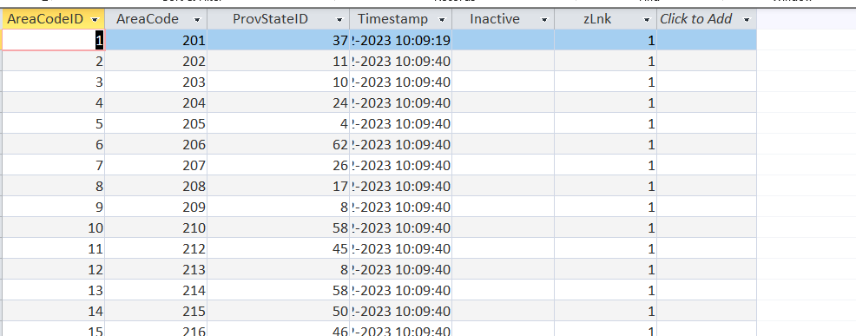

This is a Product table where there is a screenshot of Empty Columns

This is a Places table where there is a screenshot of Empty rows and column

This is a Terms table where there is a screenshot of Columns

This is a Greeters table where there is a screenshot of Empty Cells
Below 2 screenshots are from Customers Table where it is shown the screenshot of empty rows and columns

